Sheet1
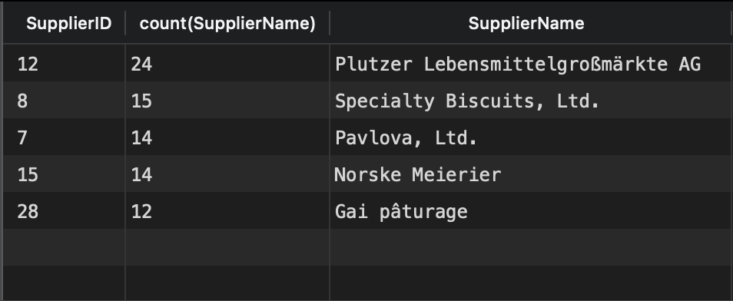
select s.SupplierID, count(SupplierName), SupplierName
from suppliers s
inner join products p on s.SupplierID = p.SupplierID
inner join orderdetails od on cast(p.ProductID as int) = od.ProductID
inner join orders o on od.OrderID = cast(o.OrderID as int)
where o.OrderDate like '%1997'
group by s.SupplierID
order by count(SupplierName) desc
limit 5

